Sheet1
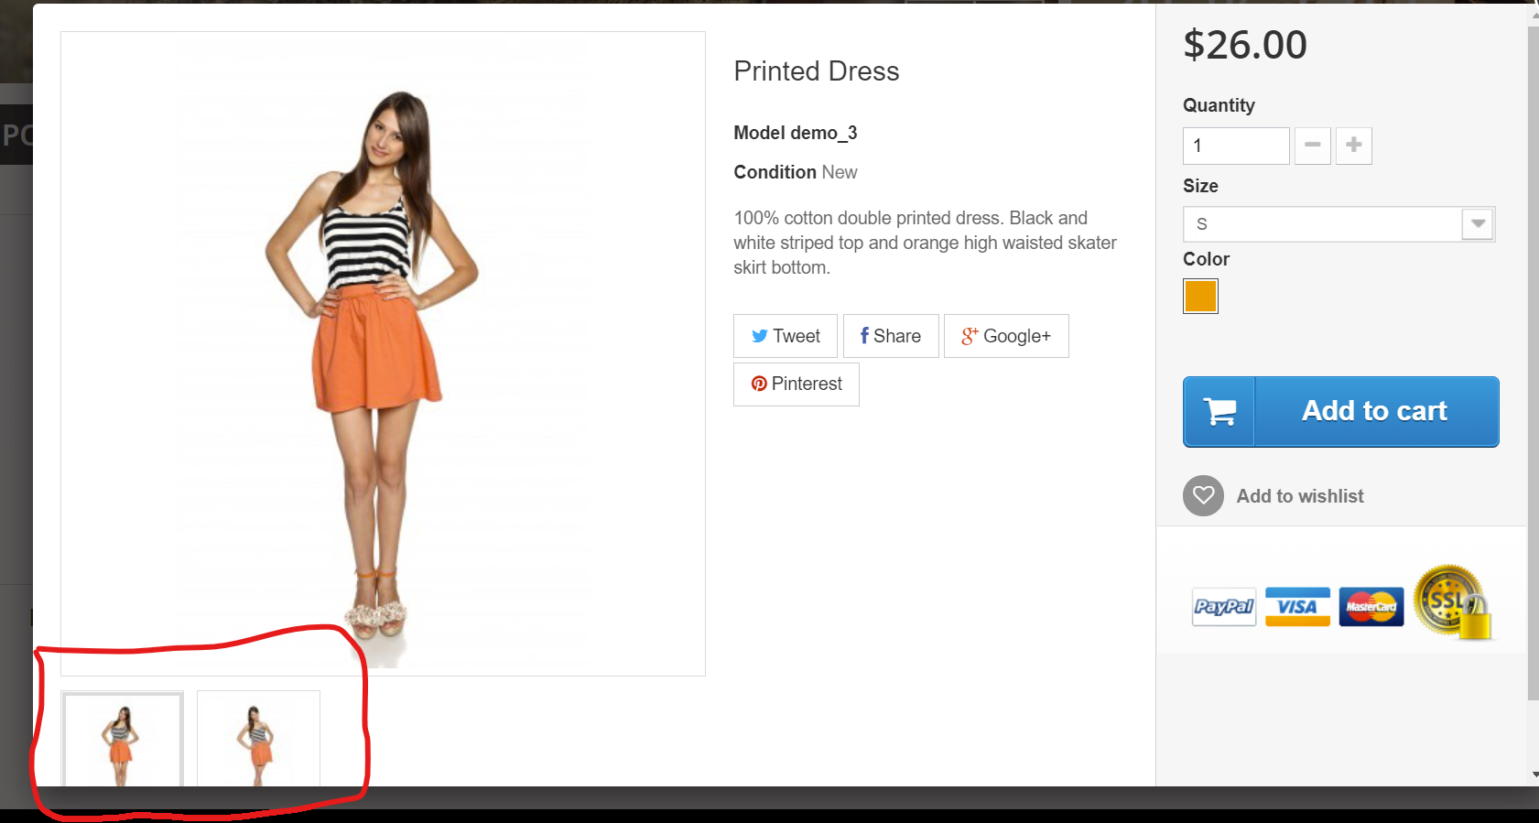
Date | 05/29/2021
Name | Semeret Haile
Requirement ID | FIN-4
Description | As a customer, I can click on the quick view so that I can get more detail about the product
Test case ID | 13
Bug ID | 1
Enivronment | Testing Environment
URL | http://automationpractice.com/index.php

Reproducability Steps
Steps | Action | Expected Result | Actual Result | Status
1 | Open Chrome Browser | Chrome Browser Should Starts | Meets expected result | Pass
2 | Navigate to URL | Home Page Should Display | Meets expected result | Pass
3 | Scroll down,Choose a dresses and Click on "Quick View" | A pop up window should be displayed | Meets expected result | Pass
4 | Check how many Images are displayed on the pop up window | Minimum of 4 Images should be displayed (Only 2 Images were display) | Did Not Meet expected result | Fail

Screenshot

